Dashboard
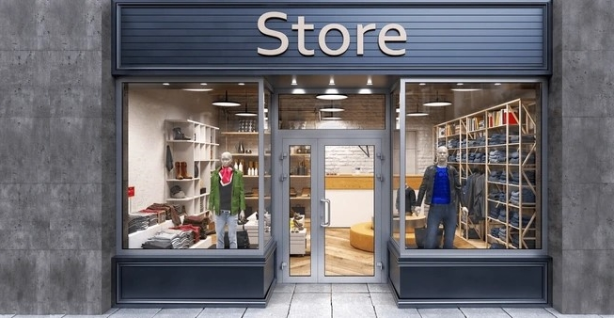


Last 13 weeks Trends - Qty & Amount
 | Sum of Quantity | Sum of Amount
1 | 546 | $32,413
2 | 905 | $49,563
3 | 796 | $41,700
4 | 913 | $46,783
5 | 844 | $42,676
6 | 1202 | $62,911
7 | 935 | $50,332
8 | 1128 | $58,761
9 | 1007 | $52,017
10 | 1128 | $64,916
11 | 861 | $45,944
12 | 944 | $55,078
13 | 788 | $45,926
Ordered quantity per product
 | Total
1 | 397
2 | 540
3 | 375
4 | 246
5 | 195
6 TO 10 | 414
More than 10 | 233

🛒 Orders
2,400

👕 Quantity

11,997
How they like to Buy?

💰 Amount
$649.0k

⭐ Avg. Rating

4.0
Shipping Duration
 | Total
0 | 175
1 | 888
2 | 538
3 | 344
4 | 200
5 | 94
6 | 51
7 | 32
8 | 23
9 | 9
10 | 8
11 | 11
12 | 4
13 | 10
14 | 13

🗓️ Days to Deliver
2.3
Popular Products
 | Female | Male | Other | Unknown
T-Shirts | 744 | 713 | 90 | 98
Jeans | 716 | 598 | 18 | 214
Sneakers | 627 | 393 | 29 | 137
Tank Tops | 568 | 306 | 22 | 16
Bikinis | 482 | 295 | 8 | 22
Shorts | 428 | 293 |  | 24
Sundresses | 445 | 202 | 14 | 39
Graphic Tees | 431 | 187 | 14 | 15
Hoodies & Sweatshirts | 264 | 318 | 15 | 9
Sandals | 296 | 275 | 9 | 23
Crop Tops | 153 | 246 | 30 | 8
Leggings | 189 | 168 | 10 | 31
Casual Dresses | 234 | 93 | 19 | 24
Workout Tops | 146 | 94 | 4 | 28
Pajama Sets | 127 | 118 | 13 | 12
Maxi Dresses | 179 | 76 | 3
Sunglasses | 99 | 69 | 3 | 24
Tote Bags | 75 | 103 | 4 | 6
Baseball Caps | 43 | 90 | 8 | 6
Jewelry | 26 | 35 | 4

Customers Satifaction
 | 1 | 2 | 3 | 4 | 5
Jan | 7 | 37 | 150 | 312 | 224
Feb | 8 | 51 | 182 | 373 | 247
Mar | 6 | 39 | 163 | 351 | 250

 | Total
Female | 6272
Male | 4672
Other | 317
Unknown | 736

Sheet5
Order Qty Analysis

Row Labels | Count of TX ID
1 | 397
2 | 540
3 | 375
4 | 246
5 | 195
6 TO 10 | 414
More than 10 | 233
Grand Total | 2400

Sheet8
Sum of Quantity | Column Labels |  |  |  |  | Row Labels | Sum of Quantity
Row Labels | Female | Male | Other | Unknown | Grand Total | Female | 6272
T-Shirts | 744 | 713 | 90 | 98 | 1645 | Male | 4672
Jeans | 716 | 598 | 18 | 214 | 1546 | Other | 317
Sneakers | 627 | 393 | 29 | 137 | 1186 | Unknown | 736
Tank Tops | 568 | 306 | 22 | 16 | 912 | Grand Total | 11997
Bikinis | 482 | 295 | 8 | 22 | 807
Shorts | 428 | 293 |  | 24 | 745
Sundresses | 445 | 202 | 14 | 39 | 700
Graphic Tees | 431 | 187 | 14 | 15 | 647
Hoodies & Sweatshirts | 264 | 318 | 15 | 9 | 606
Sandals | 296 | 275 | 9 | 23 | 603
Crop Tops | 153 | 246 | 30 | 8 | 437
Leggings | 189 | 168 | 10 | 31 | 398
Casual Dresses | 234 | 93 | 19 | 24 | 370
Workout Tops | 146 | 94 | 4 | 28 | 272
Pajama Sets | 127 | 118 | 13 | 12 | 270
Maxi Dresses | 179 | 76 | 3 |  | 258
Sunglasses | 99 | 69 | 3 | 24 | 195
Tote Bags | 75 | 103 | 4 | 6 | 188
Baseball Caps | 43 | 90 | 8 | 6 | 147
Jewelry | 26 | 35 | 4 |  | 65
Grand Total | 6272 | 4672 | 317 | 736 | 11997

 | Female | Male | Other | Unknown
T-Shirts | 744 | 713 | 90 | 98
Jeans | 716 | 598 | 18 | 214
Sneakers | 627 | 393 | 29 | 137
Tank Tops | 568 | 306 | 22 | 16
Bikinis | 482 | 295 | 8 | 22
Shorts | 428 | 293 |  | 24
Sundresses | 445 | 202 | 14 | 39
Graphic Tees | 431 | 187 | 14 | 15
Hoodies & Sweatshirts | 264 | 318 | 15 | 9
Sandals | 296 | 275 | 9 | 23
Crop Tops | 153 | 246 | 30 | 8
Leggings | 189 | 168 | 10 | 31
Casual Dresses | 234 | 93 | 19 | 24
Workout Tops | 146 | 94 | 4 | 28
Pajama Sets | 127 | 118 | 13 | 12
Maxi Dresses | 179 | 76 | 3
Sunglasses | 99 | 69 | 3 | 24
Tote Bags | 75 | 103 | 4 | 6
Baseball Caps | 43 | 90 | 8 | 6
Jewelry | 26 | 35 | 4

